Script
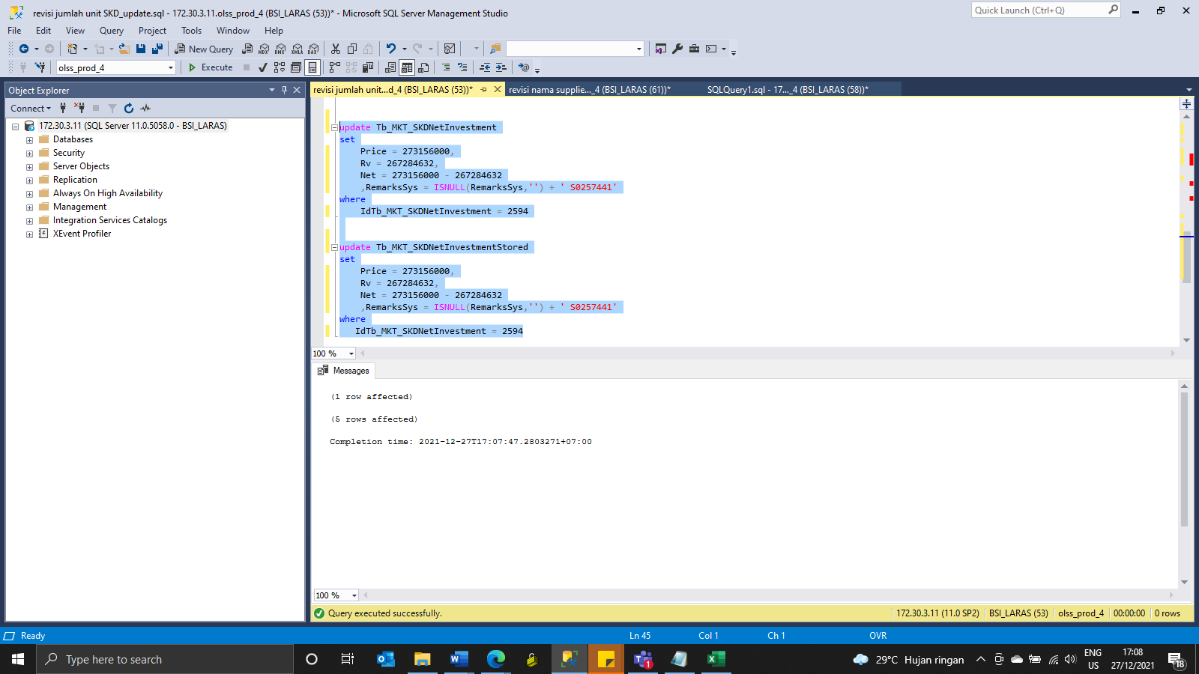
update Tb_MKT_SKD_Dtl set IdSupplier = 117, Qty = 2, RemarksSys = ISNULL(RemarksSys,'') + ' S0257441' where IdTb_MKT_SKD_Dtl = 4893

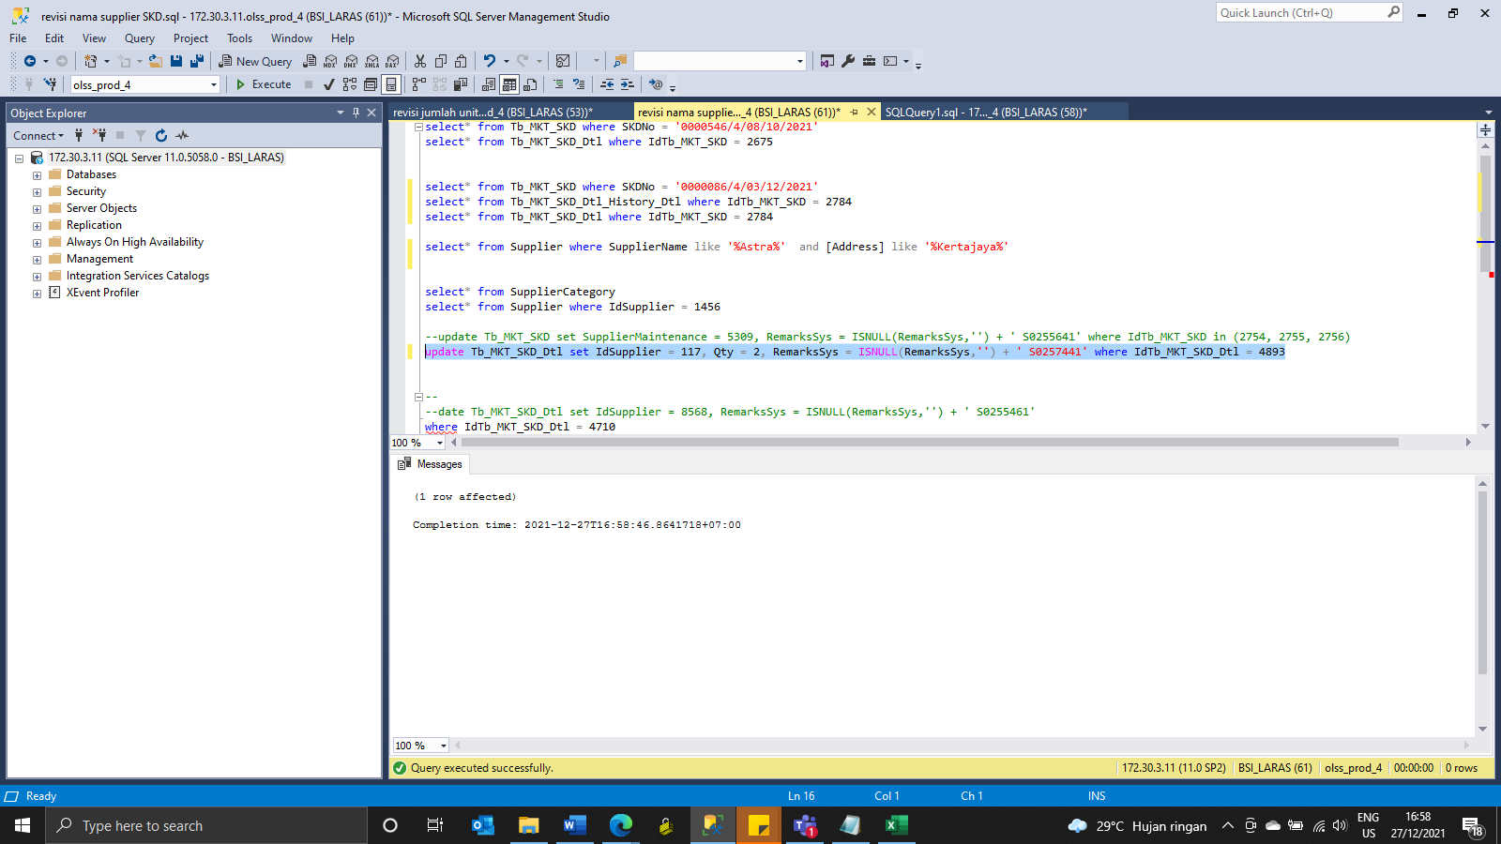

update Tb_MKT_SKDNetInvestment
set
Price = 273156000,
Rv = 267284632,
Net = 273156000 - 267284632
 | ,RemarksSys = ISNULL(RemarksSys,'') + ' S0257441'
where
IdTb_MKT_SKDNetInvestment = 2594

update Tb_MKT_SKDNetInvestmentStored
set
Price = 273156000,
Rv = 267284632,
Net = 273156000 - 267284632
 | ,RemarksSys = ISNULL(RemarksSys,'') + ' S0257441'
where
IdTb_MKT_SKDNetInvestment = 2594

Screenshot
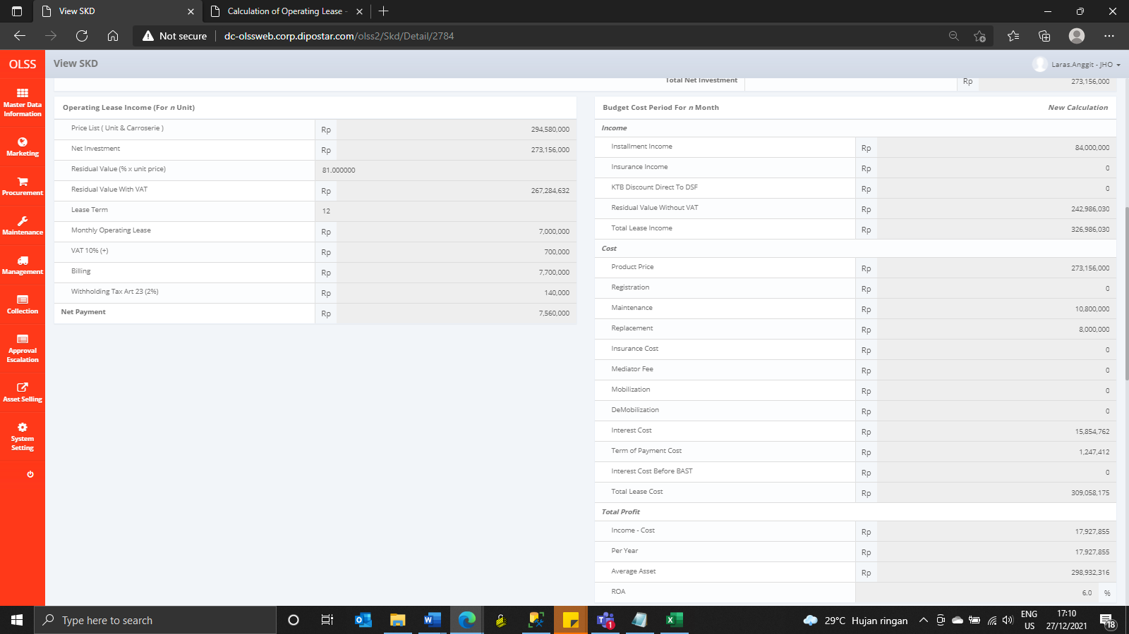
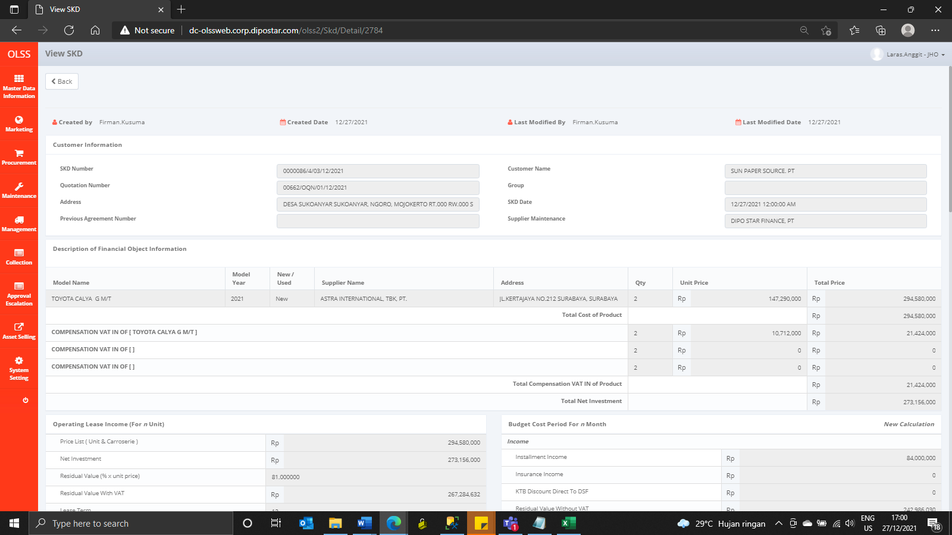
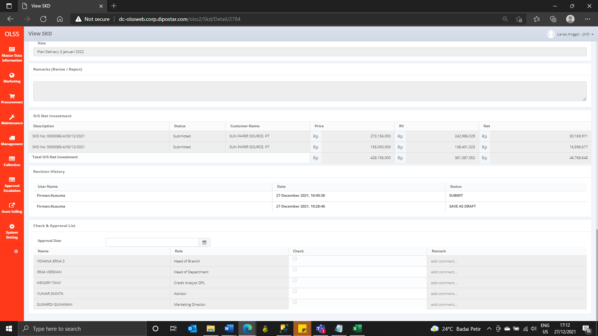

BEFORE



AFTER

